1. Title Page
[﻿Grocery Basket Analysis]

Project Name: ﻿Instacart Grocery Basket Analysis
Date: January 2024
Analyst Name: Omid Soltani
Citation: "The Instacart Online Grocery Shopping Dataset 2017," accessed from www.instacart.com/datasets/grocery-shopping-2017 via Kaggle on January 27, 2024

Contents:
Population Flow
Consistency checks
Wrangling steps
Column derivations
Visualizations
Recommendations

2. Population Flow
Title page

Population flow

Exclusion flag:
'low_activity' (dtype: bool)
Condition: max_order < 5
Obervations to be removed: 1,430,294
Final total count of order_products_all: 30,964,564

orders_products_combined
ords_prods_end
orders_products_all

Total: 32,404,859
Total: 32,404,859
Total: 30,964,564

1.) The grey boxes in the first row of the population flow represent the original data sets as they were when you downloaded them. In the Total fields you need to add the count of the rows when you imported the data set into Jupyter.
2.) The second row of boxes (coloured) represents the data sets after you manipulated them, e.g., removed missing values and duplicates. In the Total fields you need to add the count of the rows after conducting these operations. This offers a visual oveview of how the data flows throughout the data consistency checks.
3.) The third row, where also the arrows are coloured, represents the merges you performed between the datasets. In the Total fields you need to add the count of the rows in the merged datasets, so that you end up with the final dataset (in the red box). Keep in mind the final dataset should be without exclusions (based on the exclusion flag).

3. Consistency checks
 |  |  |  | Title page
Consistency checks

Dataset | Missing values | Missing values treatment | Duplicates
orders | 206209 from 'days_since_prior_order' | disregarded, as they are not technically missing but didn't meet the criteria for being recorded in the first place | none
products | 16 from 'product_name' | disregarded, as they do not affect the final analysis. Furthermore, they can be provided by matching with the 'product_id' column | 5
orders_products_prior | none |  | none
customers | 11259 from 'First Name' | disregarded, as they do not affect the final analysis | none
departments | none |  | none
ords_prods_merge |  | inspected with crosstab function: crosstab = pd.crosstab(ords_prods_merge['days_since_prior_order'],ords_prods_merge['order_number'],dropna = False)

4. Wrangling steps
 |  |  |  | Title page
Wrangling steps

Columns dropped | Columns renamed | Columns' type changed | Comment/Reason
eval_set' |  |  | irrelavant for analysis purposes
Unnamed: 0' |  |  | unneeded
 | orders_dow' : 'orders_day_of_week' |  | to increase clarity
 |  | 'order_id' : from int64 to str | although the values are seemingly numrical, their purpose is to assign unique identifiers to orders
First Name' |  |  | irrelavant for analysis purposes and to comply with PII
 | Surnam' : 'Surname' |  | typo
 | n_dependants' : 'number_of_dependents ' |  | to increase readability
 | fam_status' : 'marital_status' |  | to increase clarity
'Surname' |  |  | to comply with PII
'Gender' |  |  | to comply with PII
'date_joined' |  |  | to comply with PII
'marital_status' |  |  | to comply with PII

5. Column derivations
 |  |  |  | Title page

Column derivations and aggregations

This tab contains tables that show the frequences of flags/label variables produced after derivations and aggregations.
Dataset | New column | Column/s it was derived from | Conditions
ords_prods_merge.pkl | price_range' | prices' | def price_label(row): if row['prices'] <= 5: return 'Low-range product' elif (row['prices'] > 5) and (row['prices'] <= 15): return 'Mid-range product' elif row['prices'] > 15: return 'High range' else: return 'Not enough data'
ords_prods_merge.pkl | price_range_loc' | prices' | df.loc[df['prices'] > 15, 'price_range_loc'] = 'High-range product' df.loc[(df['prices'] <= 15) & (df['prices'] > 5), 'price_range_loc'] = 'Mid-range product' df.loc[df['prices'] <= 5, 'price_range_loc'] = 'Low-range product'
ords_prods_merge.pkl | 'busiest_day' | orders_day_of_week' | result = [] for value in ords_prods_merge["orders_day_of_week"]: if value == 0: result.append("Busiest day") elif value == 4: result.append("Least busy") else: result.append("Regularly busy") ords_prods_merge['busiest_day'] = result
ords_prods_merge.pkl | busiest_days' | orders_day_of_week' | result = [] for value in ords_prods_merge["orders_day_of_week"]: if value in [0, 1]: result.append("Busiest days") elif value in [3, 4]: result.append("Least busy days") else: result.append("Regularly busy")
ords_prods_merge.pkl | busiest_period_of_day' | order_hour_of_day' | result = [] for value in ords_prods_merge["order_hour_of_day"]: if value in [10, 11, 14, 15, 13, 12]: result.append("Most orders") elif value in [16, 9, 17, 8, 18, 19]: result.append("Fewest orders") else: result.append("Average orders")
orders_products_checked.pkl | max_order' | user_id', 'order_number' | df['max_order'] = df.groupby(['user_id'])['order_number'].transform('max')
orders_products_checked.pkl | 'loyalty_flag' | user_id', 'order_number', 'loyalty_flag', 'max_order' | df.loc[df['max_order'] > 40, 'loyalty_flag'] = 'Loyal customer' df.loc[(df['max_order'] <= 40) & (df['max_order'] > 10), 'loyalty_flag'] = 'Regular customer' df.loc[df['max_order'] <= 10, 'loyalty_flag'] = 'New customer'
orders_products_checked.pkl | spending_freq' | user_id', 'prices' | df['spending_freq'] = df.groupby('user_id')['prices'].transform('mean')
orders_products_checked.pkl | 'spending_flag' | user_id', 'spending_freq', 'spending_flag' | df.loc[df['spending_freq'] < 10, 'spending_flag'] = 'Low spender' df.loc[df['spending_freq'] >= 10, 'spending_flag'] = 'High spender'
orders_products_checked.pkl | order_freq' | user_id', 'days_since_prior_order' | df['order_freq'] = df.groupby('user_id')['days_since_prior_order'].transform('median')
orders_products_checked.pkl | order_frequency_flag' | user_id', 'order_freq' | df.loc[df['order_freq'] > 20, 'order_frequency_flag'] = 'Non-frequent customer' df.loc[(df['order_freq'] > 10) & (df['order_freq'] <= 20), 'order_frequency_flag'] = 'Regular customer' df.loc[df['order_freq'] <= 10, 'order_frequency_flag'] = 'Frequent customer'
ords_prods_cust.pkl | Region' | STATE' | def map_region(state): northeast = ['Maine', 'New Hampshire', 'Vermont', 'Massachusetts', 'Rhode Island', 'Connecticut', 'New York', 'Pennsylvania', 'New Jersey'] midwest = ['Wisconsin', 'Michigan', 'Illinois', 'Indiana', 'Ohio', 'North Dakota', 'South Dakota', 'Nebraska', 'Kansas', 'Minnesota', 'Iowa', 'Missouri'] south = ['Delaware', 'Maryland', 'District of Columbia', 'Virginia', 'West Virginia', 'North Carolina', 'South Carolina', 'Georgia', 'Florida', 'Kentucky', 'Tennessee', 'Mississippi', 'Alabama', 'Oklahoma', 'Texas', 'Arkansas', 'Louisiana'] west = ['Idaho', 'Montana', 'Wyoming', 'Nevada', 'Utah', 'Colorado', 'Arizona', 'New Mexico', 'Alaska', 'Washington', 'Oregon', 'California', 'Hawaii'] if state in northeast: return 'Northeast' elif state in midwest: return 'Midwest' elif state in south: return 'South' elif state in west: return 'West' df['Region'] = df['STATE'].apply(map_region)
ords_prods_cust.pkl | low_activity' | max_order' | df['low_activity'] = df['max_order'] < 5 df_active_customers = df[~df['low_activity']]
ords_prods_cust.pkl | 'age_flag' | 'Age' | df_active_customers.loc[df_active_customers['Age'].between(18, 30), 'age_flag'] = "Young Adult" df_active_customers.loc[df_active_customers['Age'].between(31, 50), 'age_flag'] = "Middle-Aged" df_active_customers.loc[df_active_customers['Age'].between(51, 65), 'age_flag'] = "Mature" df_active_customers.loc[df_active_customers['Age'].between(66, 81), 'age_flag'] = "Senior"
ords_prods_cust.pkl | income_flag' | income' | df_active_customers.loc[df_active_customers['income'] < 67000, 'income_flag'] = "Low-Income" df_active_customers.loc[df_active_customers['income'].between(67000, 128000), 'income_flag'] = "Middle-Income" df_active_customers.loc[df_active_customers['income'] > 128000, 'income_flag'] = "High-Income"
ords_prods_cust.pkl | 'age_income_profile' | age_flag', 'income_flag' | # Defining the conditions for customer profiling conditions = [ (df_active_customers['age_flag'] == 'Young Adult') & (df_active_customers['income_flag'] == 'Low-Income'), (df_active_customers['age_flag'] == 'Young Adult') & (df_active_customers['income_flag'] == 'Middle-Income'), (df_active_customers['age_flag'] == 'Young Adult') & (df_active_customers['income_flag'] == 'High-Income'), (df_active_customers['age_flag'] == 'Middle-Aged') & (df_active_customers['income_flag'] == 'Low-Income'), (df_active_customers['age_flag'] == 'Middle-Aged') & (df_active_customers['income_flag'] == 'Middle-Income'), (df_active_customers['age_flag'] == 'Middle-Aged') & (df_active_customers['income_flag'] == 'High-Income'), (df_active_customers['age_flag'] == 'Mature') & (df_active_customers['income_flag'] == 'Low-Income'), (df_active_customers['age_flag'] == 'Mature') & (df_active_customers['income_flag'] == 'Middle-Income'), (df_active_customers['age_flag'] == 'Mature') & (df_active_customers['income_flag'] == 'High-Income'), (df_active_customers['age_flag'] == 'Senior') & (df_active_customers['income_flag'] == 'Low-Income'), (df_active_customers['age_flag'] == 'Senior') & (df_active_customers['income_flag'] == 'Middle-Income'), (df_active_customers['age_flag'] == 'Senior') & (df_active_customers['income_flag'] == 'High-Income'), ] # Defining the corresponding customer profiles profiles = [ 'Low-Income Young Adult', 'Middle-Income Young Adult', 'High-Income Young Adult', 'Low-Income Middle-Aged', 'Middle-Income Middle-Aged', 'High-Income Middle-Aged', 'Low-Income Mature', 'Middle-Income Mature', 'High-Income Mature', 'Low-Income Senior', 'Middle-Income Senior', 'High-Income Senior', ] # Creating the 'age_income_profile' column based on the conditions df_active_customers['age_income_profile'] = np.select(conditions, profiles, default='Other')

6. Visualizations
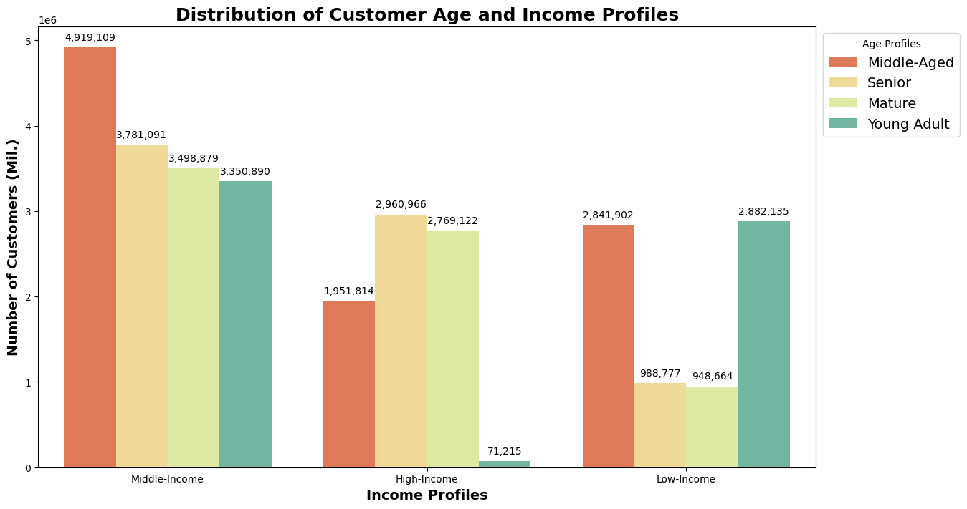
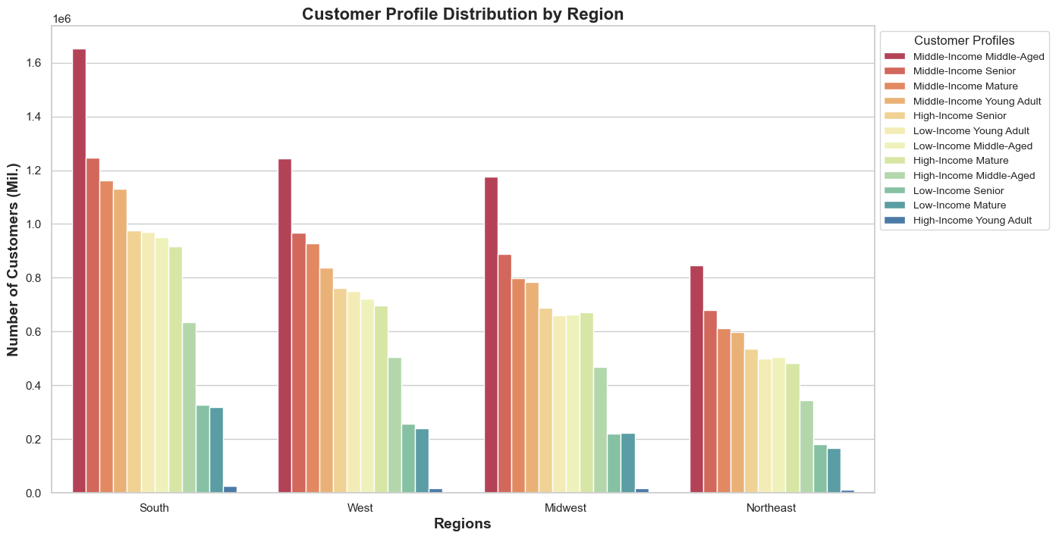
 | Title page

Visualisations

This tab includes all the questions from the project brief that visualtions answer, including some commentary on the relationship between different variables.

What are the busiest days of the week and hours of the day?

The bar chart below demonstrates that the busiest days of the week are Saturdays (0) and Sundays (1)



The histogram below, with 24 bins representing each hour of the day, visually displays the daily number of orders placed, with peaks indicating the hours with the most orders, and the trough representing the fewest orders. No bins are empty, contributing to the understanding that customer orders are distributed across all hours of the day, with lowest point around 3-4 a.m. and maximum frequency between 10 and16-17. The average order hour being around 13–14 aligns with the peak in the histogram, suggesting a concentration of orders during the early afternoon.



Are ﻿there particular times of the day when people spend the most money?

Despite the line chart displays visible fluctuations , with the majority of items priced between 7 to 8 USD, there are no particular times of the day when people spend the most money.

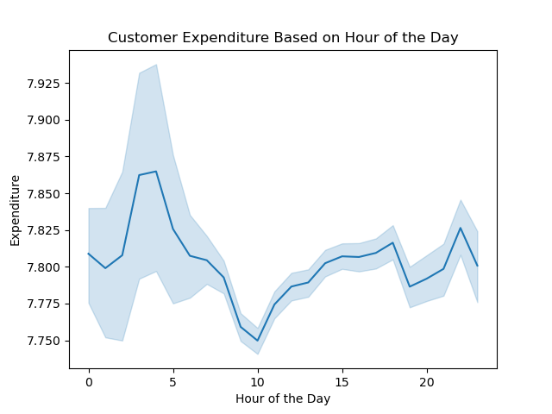

Prices simplified into price ranges

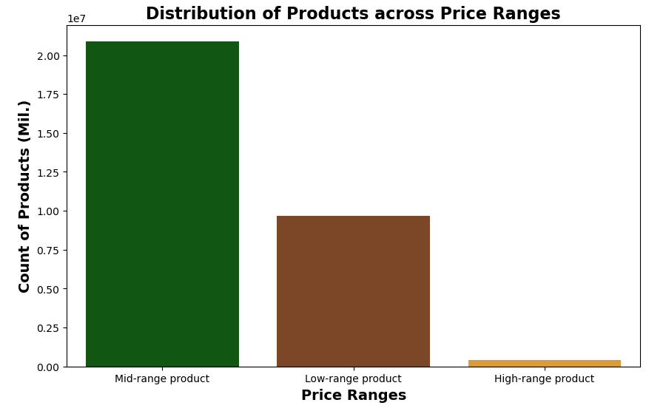

Are there certain types of products that are more popular than others?

The most popular types of products are from the produce and dairy eggs departments, followed by beverage, snacks, frozen and pantry

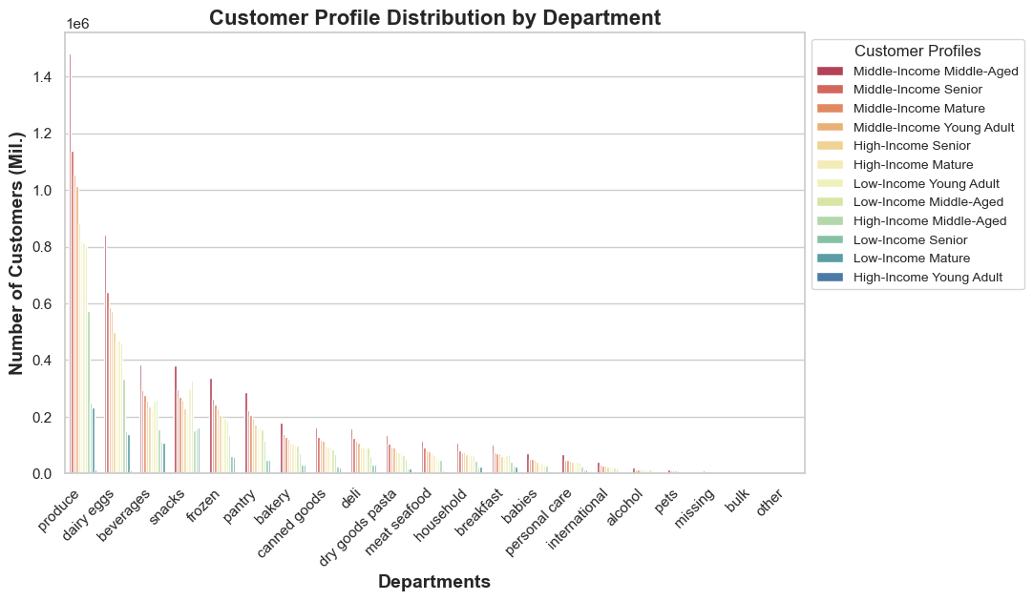

﻿What’s the distribution among users in regards to their brand loyalty (i.e., how often do they return to Instacart)?

The bar chart below reveals insightful details about customer loyalty, with distinctions between 'Regular customers,' 'Loyal customers,' and 'New customers.' The data showcases a substantial count of 15,876,776 regular customers, indicating a robust and consistent customer base. Additionally, the presence of 10,284,093 loyal customers underscores a commendable level of customer loyalty. The count of 4,803,695 new customers suggests ongoing growth in the customer base.

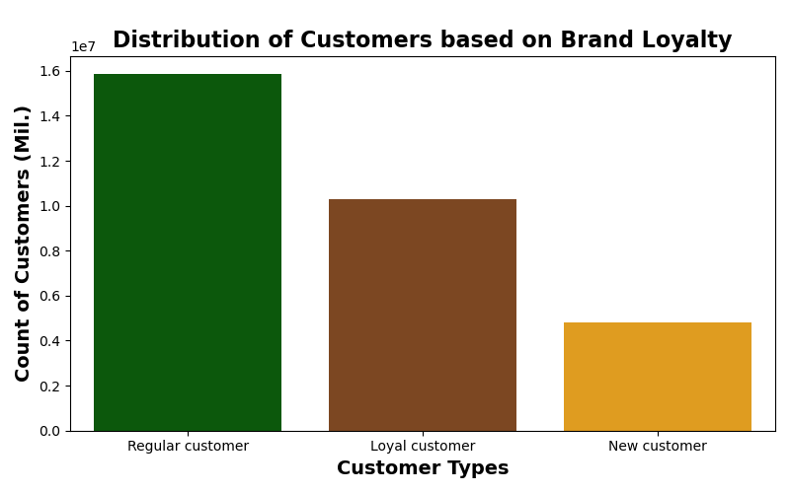

﻿Are there differences in ordering habits based on a customer’s loyalty status?

Regular customers tend to place between 7 and 14 orders, new customers typically place between 10 and 28 orders, and loyal customers generally place between 4 and 6 orders. These distinct order ranges suggest varying levels of engagement and frequency among customers of different loyalty levels. Regular customers show a moderate order frequency, new customers exhibit a wider range, and loyal customers tend to have a relatively lower but consistent order frequency.

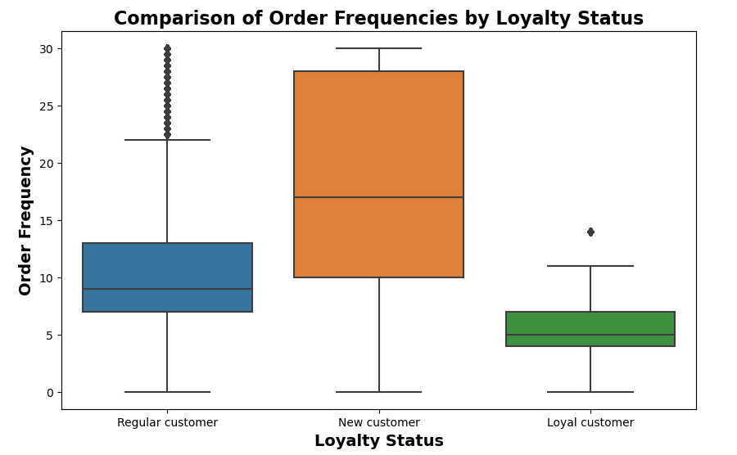

Are there differences in ordering habits based on a customer’s region?

There are no significant differences as such, with an average of 17–18 orders placed in each US region

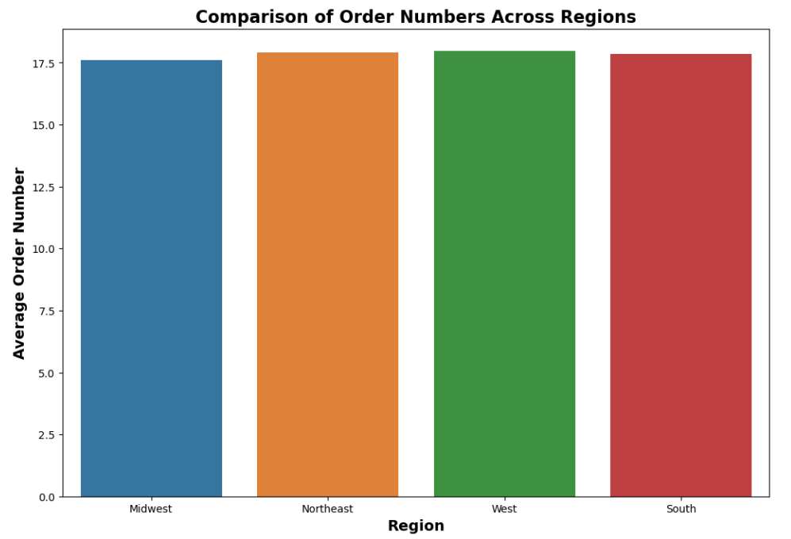

Customer Profiles

Age and Product Interests Profiles: Young Adult (18-30): Customers in this age range may exhibit preferences for trendy and tech-savvy products. They might be more responsive to promotions and discounts. Middle-Aged (31-50): This group may have established households and families, showing interest in family-oriented and household products. They might value convenience and time-saving options. Mature (51-65): This demographic may focus on health and wellness, home improvement, and leisure activities. They may be interested in products that enhance their lifestyle. Senior (66-81): This group might prioritize health-related products, convenience items, and services catering to their specific needs. They may be more brand loyal and appreciate personalized offerings.

Income Profiles Low-Income: Customers with income less than or equal to 67,000 USD (25th percentile). Middle-Income: Customers with income between 67,000 and 128,000 USD (between 25th and 75th percentiles). High-Income: Customers with income greater than 128,000 USD (75th percentile).

7. Recommendations
 | Title page

Recommendations

This tab includes recommendations to Instcart in terms of their marketing strategy based on the questions posed in the brief.

Key Questions
1. What are the busiest days of the week and hours of the day?
Most orders occur on Saturdays and Sundays between 9 am and 5 pm. It's suggested to focus ads on less busy days like Tuesdays and Wednesdays, especially during the evening and early morning (5 pm to 9 am).
2. Are ﻿there particular times of the day when people spend the most money?
Despite the line chart displays visible fluctuations , with the majority of items priced between 7 to 8 USD, there are no particular times of the day when people spend the most money.
3. Simplifying price range groupings for marketing efforts
products under $15 are common, those over $15 are considered high-priced, $5 to $15 fall in the mid-range, and below $5 are low range. High-priced products are favored by young adults with high incomes.
4. Are there certain types of products that are more popular than others?
The most popular types of products are from the produce and dairy eggs departments, followed by beverage, snacks, frozen and pantry
﻿5. What’s the distribution among users in regards to their brand loyalty (i.e., how often do they return to Instacart)?
The bar chart below reveals insightful details about customer loyalty, with distinctions between 'Regular customers,' 'Loyal customers,' and 'New customers.' The data showcases a substantial count of 15,876,776 regular customers, indicating a robust and consistent customer base. Additionally, the presence of 10,284,093 loyal customers underscores a commendable level of customer loyalty. The count of 4,803,695 new customers suggests ongoing growth in the customer base.
6. ﻿Are there differences in ordering habits based on a customer’s loyalty status?
Regular customers tend to place between 7 and 14 orders, new customers typically place between 10 and 28 orders, and loyal customers generally place between 4 and 6 orders. These distinct order ranges suggest varying levels of engagement and frequency among customers of different loyalty levels. Regular customers show a moderate order frequency, new customers exhibit a wider range, and loyal customers tend to have a relatively lower but consistent order frequency.
7. Are there differences in ordering habits based on a customer’s region?
There are no significant differences as such, with an average of 17–18 orders placed in each US region
8. Customer Profiles
Age and Product Interests Profiles: Young Adult (18-30): Customers in this age range may exhibit preferences for trendy and tech-savvy products. They might be more responsive to promotions and discounts. Middle-Aged (31-50): This group may have established households and families, showing interest in family-oriented and household products. They might value convenience and time-saving options. Mature (51-65): This demographic may focus on health and wellness, home improvement, and leisure activities. They may be interested in products that enhance their lifestyle. Senior (66-81): This group might prioritize health-related products, convenience items, and services catering to their specific needs. They may be more brand loyal and appreciate personalized offerings. Income Profiles Low-Income: Customers with income less than or equal to 67,000 USD (25th percentile). Middle-Income: Customers with income between 67,000 and 128,000 USD (between 25th and 75th percentiles). High-Income: Customers with income greater than 128,000 USD (75th percentile)."

Recommendations

1. Busiest Days and Hours:
Consider scheduling ads on less busy days, particularly Tuesdays and Wednesdays. Focus on strategic ad placements during the evening and early morning hours (5 pm to 9 am) to maximize visibility during less crowded times.

2. Spending Patterns Throughout the Day:
While spending patterns fluctuate, there isn't a clear peak time. Instead, focus on maintaining consistent advertising throughout the day to capture a broad audience.

3. Price Range Groupings:
For marketing efficiency, concentrate efforts on high-priced products, especially those exceeding $15, as they are favored by young adults with high incomes. Tailor promotions and campaigns to highlight these premium items.

4. Popular Product Types:
Given the popularity of produce, dairy, eggs, beverages, snacks, frozen, and pantry items, ensure that marketing efforts highlight these categories. Consider bundling promotions or creating special deals for these high-demand products.

5. Brand Loyalty Distribution:
Recognize the substantial base of regular customers and their loyalty. Implement targeted incentives, promotions, or exclusive offers to maintain and strengthen this loyal customer segment. Continue efforts to attract and engage new customers for sustained growth.

6. Ordering Habits Based on Loyalty Status:
Tailor marketing strategies based on distinct ordering habits among customer loyalty levels. Regular customers may respond well to loyalty programs, new customers to introductory offers, and loyal customers to consistent, personalized incentives.

7. Ordering Habits Based on Region:
Since there are no significant regional differences, maintain a consistent approach across all US regions. Continue to monitor and adapt marketing strategies based on overall customer behavior rather than region-specific trends.

8. Customer Profiles - Age and Product Interests:

- Young Adults: Target trendy and tech-savvy products with promotional offers to capture this demographic's attention.
- Middle-Aged: Highlight family-oriented and household products, emphasizing convenience and time-saving options.
- Mature: Focus on health, wellness, home improvement, and leisure products to cater to this demographic's lifestyle.
- Senior: Prioritize health-related products, convenience items, and personalized offerings to enhance brand loyalty.

9. Customer Profiles - Income Levels:

- Low-Income: Provide budget-friendly promotions and discounts to cater to the affordability preferences of this segment.
- Middle-Income: Tailor marketing efforts to offer a balance of quality and value, targeting the household and family-oriented needs.
- High-Income: Emphasize premium products and services, leveraging the higher spending capacity of this segment.

By implementing these recommendations, Instacart can enhance its marketing strategies and better cater to the diverse needs and preferences of its customer base.

